Grand Summary
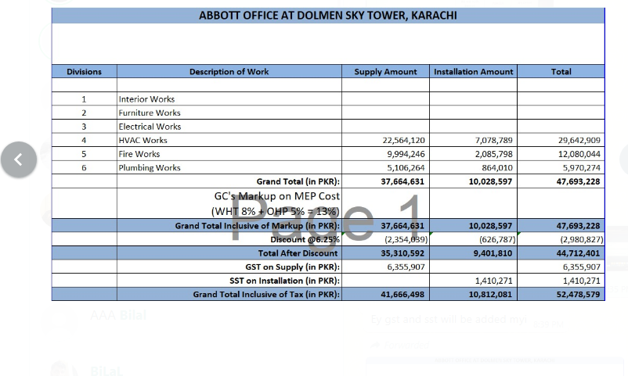
ABBOTT OFFICE AT DOLMEN SKY TOWER, KARACHI

Divisions | Description of Work | Supply Amount | Installation Amount | Total

1 | HVAC Works | 24,815,060 | 3,963,967 | 28,779,027
2 | Fire Works | 11,367,748 | 1,164,399 | 12,532,146
3 | Plumbing Works | 6,983,556 | 672,251 | 7,655,807
 | Grand Total (in PKR): | 43,166,363 | 5,800,617 | 48,966,980
 | Discount 6.25% | 2,697,898 | 362,539 | 3,060,436
 | Total after discount | 40,468,466 | 5,438,078 | 45,906,544
 | GST on Supply | 7,284,324 | - | 7,284,324
 | SST on Installation | - | 815,712 | 815,712
 | Grand Total | 47,752,790 | 6,253,790 | 54,006,580

 |  | Received

Contractor to verify and coordinate DRAWINGS + BOQ, Discrepancies to be noted to architect/consultant and should be call out in tender clarification form.
This is an item rate based contract.
Any item that may be required for a successful closure of project, kindly add it as a separate line item during RFP.
Rates should be inclusive of WHT.

